Double Checked!
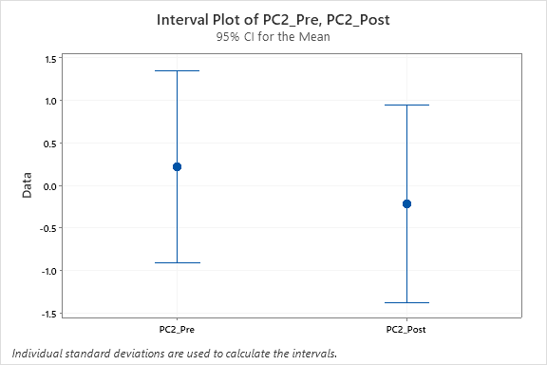
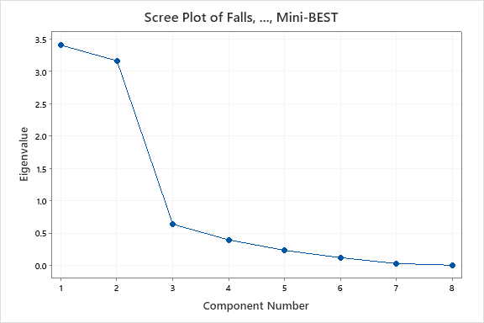
Session | Participant | Initials | PRE/POST | Intervention | Falls | Recovery | NWS | MWS | MRP | PrgL | RPS | Mini-BEST | New scores! |  | PC1 | PC2 | PC3
2 | 2 | MI | 1 | 1 | 0 | 11 | 0.25 | 0.40 | 0.62 | 6 | 3.0 | 21 |  |  | -1.1284777066 | 0.48681649727 | 0.9513910842
4 | 4 | RD | 1 | 1 | 1 | 13 | 0.25 | 0.35 | 0.61 | 7 | 4.8 | 15 |  |  | -1.9495255509 | 1.1376705738 | -1.3229626032
5 | 5 | RE | 1 | 1 | 0 | 15 | 0.30 | 0.35 | 0.61 | 7 | 2.9 | 13 |  |  | -2.6735167992 | -0.14864571677 | -0.11748605344
7 | 7 | EZ | 1 | 1 | 0 | 14 | 0.40 | 0.45 | 0.79 | 7 | 4.1 | 21 |  |  | -0.74013473295 | -0.33356102743 | -0.67522508115
14 | 2 | MI | 2 | 1 | 0 | 15 | 0.30 | 0.50 | 0.98 | 8 | 2.3 | 15 |  |  | -2.0771602535 | -1.2438179328 | 0.30998924286
16 | 4 | RD | 2 | 1 | 0 | 14 | 0.25 | 0.40 | 0.70 | 7 | 2.7 | 16 |  |  | -2.1974695879 | -0.28608658675 | 0.36755867537
17 | 5 | RE | 2 | 1 | 0 | 15 | 0.40 | 0.70 | 1.37 | 8 | 1.3 | 21 |  |  | -0.41415248237 | -2.5220630812 | 1.3800668295
19 | 7 | EZ | 2 | 1 | 1 | 14 | 0.45 | 0.60 | 1.05 | 7 | 3.6 | 19 |  |  | -0.23594613346 | -0.42506127152 | -0.4004683822
3 | 3 | MC | 1 | 2 | 1 | 12 | 0.40 | 0.55 | 0.85 | 6 | 3.6 | 18 |  |  | -0.43587608898 | 0.60674844786 | 0.028503078312
8 | 8 | CS | 1 | 2 | 3 | 11 | 0.40 | 0.75 | 1.16 | 6 | 3.2 | 20 |  |  | 0.87396567699 | 0.72801124741 | 0.70507914659
10 | 10 | GM | 1 | 2 | 1 | 13 | 0.37 | 0.50 | 0.88 | 7 | 2.1 | 17 |  |  | -1.158311853 | -0.37218022878 | 1.0044372957
11 | 11 | KP | 1 | 2 | 5 | 6 | 0.31 | 0.41 | 0.31 | 3 | 4.5 | 17 |  |  | 0.35950596327 | 4.9435894718 | 0.96816252391
15 | 3 | MC | 2 | 2 | 0 | 15 | 0.48 | 0.65 | 1.27 | 8 | 3.6 | 19 |  |  | -0.31774748491 | -1.4743198418 | -0.86157396113
20 | 8 | CS | 2 | 2 | 0 | 12 | 0.45 | 0.60 | 0.93 | 6 | 3.2 | 23 |  |  | 0.29594151856 | -0.29228423642 | 0.53666948703
22 | 10 | GM | 2 | 2 | 0 | 15 | 0.37 | 0.60 | 1.17 | 8 | 4.1 | 19 |  |  | -0.76793724414 | -1.1137279024 | -1.1596017617
23 | 11 | KP | 2 | 2 | 2 | 9 | 0.29 | 0.41 | 0.47 | 4 | 5.1 | 14 |  |  | -0.90871850768 | 3.4624360503 | -0.56863783122
1 | 1 | LV | 1 | 3 | 4 | 8 | 0.70 | 0.93 | 0.88 | 3 | 4.5 | 21 |  |  | 3.1189283958 | 2.9396830286 | 0.34594529617
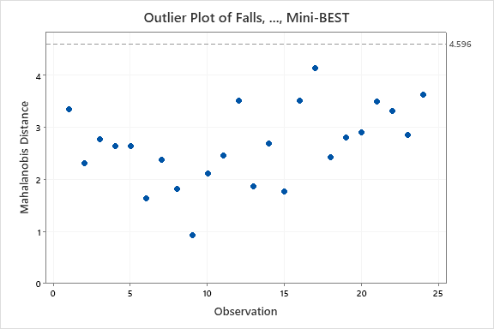
6 | 6 | MA | 1 | 3 | 1 | 13 | 0.55 | 1.00 | 1.75 | 7 | 4.1 | 20 |  |  | 1.6450222336 | -0.97224406108 | -0.97298472832
9 | 9 | PD | 1 | 3 | 1 | 14 | 0.25 | 0.45 | 0.88 | 8 | 4.0 | 20 |  |  | -1.229510854 | -0.30520230724 | -0.66764908405
12 | 12 | KJ | 1 | 3 | 3 | 11 | 0.4 | 0.88 | 1.36 | 6 | 3.9 | 22 |  |  | 1.6189129024 | 0.59876322813 | 0.17796304687
13 | 1 | LV | 2 | 3 | 3 | 11 | 0.85 | 1.20 | 1.86 | 6 | 4.9 | 23 |  |  | 4.243884641 | 0.0066000706098 | -1.2264613864
18 | 6 | MA | 2 | 3 | 1 | 14 | 0.70 | 1.25 | 2.19 | 7 | 1.8 | 24 |  |  | 3.0657089788 | -2.9173477594 | 0.99933954757
21 | 9 | PD | 2 | 3 | 0 | 15 | 0.30 | 0.48 | 0.84 | 7 | 2.9 | 19 |  |  | -1.460808286 | -0.83615978435 | 0.24265216173
24 | 12 | KJ | 2 | 3 | 0 | 13 | 0.59 | 1.2 | 1.86 | 6 | 3.3 | 23 |  |  | 2.4734232553 | -1.6676168778 | -0.044706542923

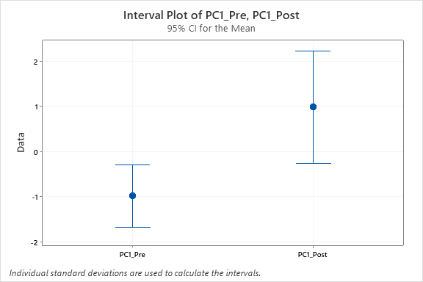
 | Tests
 | 1==PRE |  |  |  |  |  |  |  |  |  |  |  |  | Diff in PC1 pre/post >>> P< 0.05
 | 2==POST

 | Interventions
 | 1 == PT
 | 2 == Slip
 | 3 == Gaming
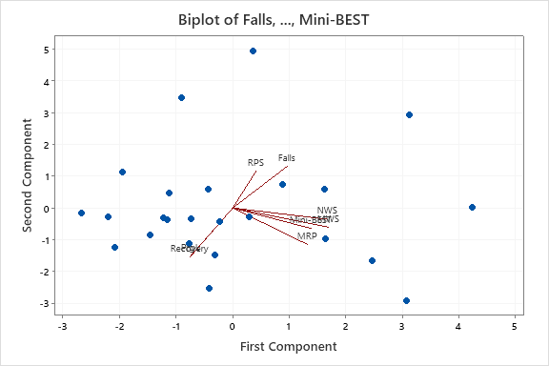

 |  |  |  |  |  |  |  |  |  |  |  |  |  | Diff in PC2 pre/post >>> P> 0.05

